COV
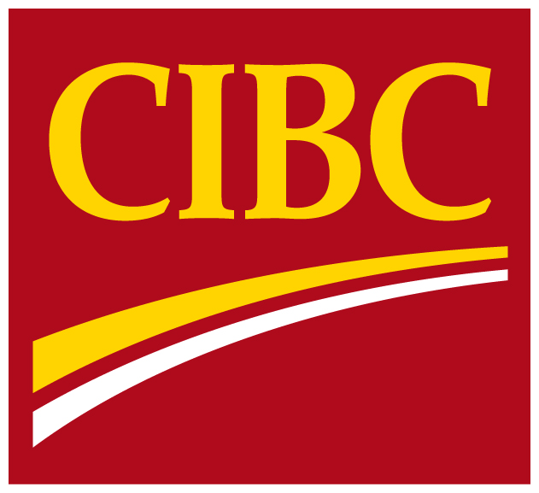
 | Supplementary
 | Financial
 | Information

 | For the period ended
 | October 31, 2018

For further information, please contact:
Amy South, Senior Vice-President, Investor Relations (416) 594-7386
Jason Patchett, Senior Director, Investor Relations (416) 980-8691

